Parameters
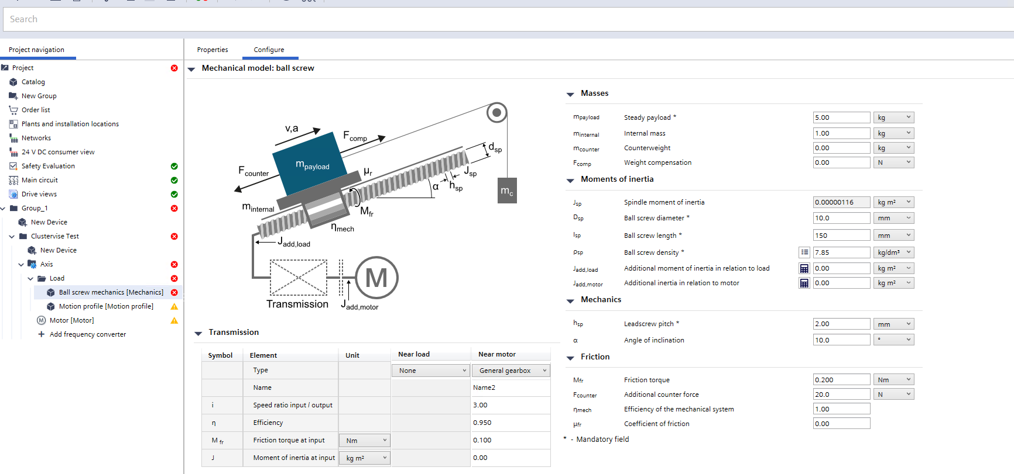
Sl.no. | Key parameters | Status | Remarks
1.01 | Rated torque
1.02 | Acceleration torque
1.03 | Load torque |  | Load torque is the motor torque required to move the axis at constant speed, excluding acceleration and deceleration
1.04 | Decceleration torque
1.05 | Peak torque
1.06 | RMS torque
1.07 | Holding torque
1.08 | power off Brake torque
1.09 | Estop torque
1.1
2.01 | Rated Speed
2.02 | Peak speed
2.03
3.01 | Torque/speed operation point check
3.02 | Regenerative brake energy check
3.03 | Brake resistor wattage
3.04 | Thermal margin check
3.05
4.01 | Inertia ratio check
4.02
5.01 | Movement accuracy
5.02

Load Torque
 | Load Torque | Torque requried to overcome steady/continuous load
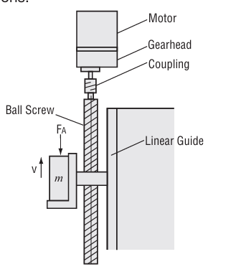

1.1 | Load Torque @ Ballscrew Shaft
1.2 | Load Torque @ Parallel kit input
1.3 | Load Torque @ Gearbox input shaft

 | Parameter | Symbol | Unit | value | Remarks

 | Load Torque @ ballscrew shaft | Tl | Nm | 0.07 | Load Torque @ ballscrew shaft = Axial Force torque +/- ballscrew preload torque +/- ballscrew bearing drag torque

1 | Axial Force | F | N | 15.4
 | Axial Force = +/- external force +/- gravitational force +/- frictional force +/- counterbalance force

1.1 | External Force | F_ext | N | 5
 |  |  |  | 5 | use sign based on sign matrix
 | direction of External force | dir_F_ext_1 |  | opposing movement

1.2 | Gravitational Force | Fg | N | 41.3
 |  |  |  | 41.3 | use sign based on sign matrix
 | Gravitational force = m*g*sinθ
 | movement direction |  |  | against gravity

1.2.1 | Total moving mass | m | Kg | 5.952

 | Total moving mass = payload mass + carriage mass + ballscrew nut & housing mass + Linear guide carriage blocks mass
 | Payload mass | mp | Kg | 5
 | Carriage mass | mc | Kg | 0.5 |  |  | Ballscrew | THK SDA1005VZ-4TTG0+171LC5Y
 | Ballscrew nut mass | mn | Kg | 0.052 |  |  | LM rail | SSR15
 | Linear guide carriage block mass | ml | kg | 0.2 | per block |  | LM block | SSR15XW
 | number of carriage blocks |  | - | 2

1.2.2 | gravitational acceleration | g | m/s2 | 9.81
1.2.3 | Inclination angle | θp | deg | 45
 |  |  | radians | 0.79
1.2.4 | Friction coefficient of linear guide | μ | - | 0.005

1.3 | Friction force | Ff | N | 18.21 | Friction force = Fpl + Ffp + Ffcb

1.3.1 | Payload friction force | Fpl | N | 0.21 | m*g*μ*cosθ

1.3.2 | Guide friction force (payload side) | Ffp | N | 6
 | LM guide frcition force (payload) | Fgf | N | 3 | per block
 | number of carriage blocks (payload) |  | - | 2

1.3.3 | Guide friction force(counterbalance side) | Ffcb | N | 12 | 0 if counterbalance is not present
 | Linear bush frcition force (counterbalance) | Fgfcb | N | 3 | per bushing |  | round shaft | 15mm
 | number of linear bushings (counterbalance) |  | - | 4 |  |  | linear bushing | THK LMK15UU

1.4 | Counter balance force | Fcb | N | -49.1
 |  |  |  | 49.1 | counterbalance present
 |  |  |  | 49.1 | calculated value
 | Counter balance force = m*g*(sinθ + μcosθ)

1.4.1 | Counter balance exists |  |  | yes
1.4.2 | mass of the counterbalance | mcb | Kg | 5
1.4.3 | Assisting/Resisting movement |  |  | Assisting movement | "+" if payload is assisted by gravity
 |  |  |  |  | "-" if payload is against gravity
 |  |  |  |  | basically it is opposite of payload
 | gravitational acceleration | g | m/s2 | 9.81
1.4.4 | Inclination angle of counter balance | θ | deg | 90
 |  |  | radian | 1.57
1.4.5 | Friction coefficient of counterbalance linear guide | μ | - | 0.005

2 | Axial Force Torque | Taf | Nm | 0.01
 | Axial force torque = Axial force*lead/(2*pi*ballscrew efficiency)

 | Ballscrew lead | Pb | mm | 5 | linear movement per rotation @ ballscrew shaft
 |  |  | m | 0.005
 | Ballscrew efficiency | ηbs | - | 0.95

3 | Ballscrew Preload Torque | Tp | Nm | 0.037 | some manufacturers provide the direct value in Nm
 | Ballscrew preload torque = (Preloadnut friction coeffcient*Preload force*lead)/(2*pi)
 | Preload nut friction coeffcient | μ0 | - | 0.2
 | Preload Force | F0 | N | 233
 | Ballscrew lead | Pb | m | 0.005

4 | Ball screw bearing drag torque |  |  | 0.015 |  | EK8L | Fixed side support unit
 | Ball screw bearing drag torque = Fixed side support block drag torque + Support side support block drag torque |  |  |  |  | EF8L | Support side support unit

4.1 | Fixed side support block drag torque |  |  | 0.01 | Axial Load Influence
 | no of fixed side support block |  |  | 1
 | drag torque per block |  | Nm | 0.01
 |  |  |  |  |  | T_bearing = μ_bearing × F_equivalent × dm / 2
4.2 | Support side support block drag torque |  |  | 0.005 | Radial Load influence | dm = (d + D) / 2
 | no of support side support block |  |  | 1 |  | F_equivalent_fixed =F_bearing_preload+ ABS(F_axial_operating)+ F_radial_fixed
 | drag torque per block |  | Nm | 0.005

